PLAN
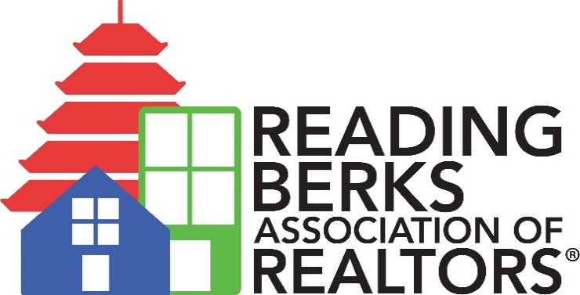 2026 - 2028 Strategic Plan Mission: To promote a high standard of professionalism by empowering our members through education, advocacy and outreach. Vision: To positively impact the real estate industry and our community.

PILLAR #1 | EDUCATION | Primary Owners | Due Date | Date Completed | Notes
PILLAR OBJECTIVE | To provide members with knowledge, tools, and training
 | Action Step: To promote available opportunities for members to complete required education | R-BAR Staff | Ongoing |  | Place extra focus on CE and COE/Fair Housing years.
 | Action Step: To conduct a minimum of 12 educational opportunities per year including 1 Fair Housing event, CIC Events, and other R-BAR opportunities | Education and DEI Committees, CIC | Q4 of Each Year
 | Action Step: To conduct a yearly evaluation of New Member Orientation utilizing member feedback surveys and make adjustments based on feedback. | R-BAR Staff and Education Committee | Q4 of Each Year
 | Action Step: To create 3 new resources for members a year on educational topics | R-BAR Staff and Education Committee | Q4 of Each Year

PILLAR #2 | ADVOCACY | Owners | Due Date | Date Completed | Notes
PILLAR OBJECTIVE | To promote homeownership and private property rights
 | Action Step: Increase R-PAC Participation by 10% each year. | R-BAR Government Affairs Committee, RPAC Trustees, Board of Directors | Q4 of Each Year |  | 2025 Benchmark:
 | Action Step: Complete an average of 10 interactions per month with municipal officials. | Government Affairs Director and R-BAR Staff, Government Affairs Committee, RPAC Trustees | Q4 of Each Year
 | Action Step: Complete an average of 10 interactions per month with other industry partners (GRCA, other community organizations, etc.) | Government Affairs Director and R-BAR Staff, CIC | Q4 of Each Year
 | Action Step: Promote a minumum of 1 Fair Housing initiative per year to municipal officials and other community partners | R-BAR Staff, Government Affairs Committee, RPAC Trustees, CIC, DEI | Q4 of Each Year

PILLAR #3 | OUTREACH | Owners | Due Date | Date Completed | Notes
PILLAR OBJECTIVE | To engage members and build community connections.
 | Action Step: Offer one opportunity per year to specifically engage new R-BAR members (from 0 - 18 months of membership) | R-BAR Staff, Board of Directors | Q4 of Each Year
 | Action Step: Increase member engagement by requiring Board Members to bring 2 R-BAR members per year to an R-BAR event. | Board of Directors | Q4 of Each Year
 | Action Step: Engage with one new community partner per year. | Board of Directors, R-BAR Staff, CIC, all other Committees | Q4 of Each Year
 | Action Step: Conduct a minimum of 6 community outreach events/activities per year. | Outreach and DEI Committees | Q4 of Each Year
 | Action Step: Apply for and utilize at least 1 NAR Grant per year for outreach purposes (if grants are available) | R-BAR Staff, Outreach and DEI Committees, CIC | Q4 of Each Year

PILLAR #4 | OPERATIONS | Owners | Due Date | Date Completed | Notes
PILLAR OBJECTIVE | To ensure organizational long-term stability.
 | Action Step: Redesign the Association webite. | R-BAR Staff, Board of Directors | Q4 2028
 | Action Step: Conduct a minimum of 1 fundraising event per year to benefit R-BAR | Board of Directors, Finance Committee, R-BAR Staff | Q4 of Each Year
 | Action Step: Gain 10 new affiliates per year with a net increase of 5 | Board of Directors, Committees, CIC, RBAR Staff | Q4 of Each Year
 | Action Step: Implement a minimum of 2 non-dues revenue opportunities per year (outside of fundraising events) | R-BAR Staff, Committees | Q4 of Each Year
 | Action Step: Conduct a yearly review of benefits and sponsorship program for potential expansion | R-BAR Staff, Affiliate Advisory Committee | Q2 of Each Year |  | Review In Q2 for advertising in Q3 Dues season
 | Action Step: Document, implement, and promote pathways to leadership opportunities within R-BAR | Board of Directors, Committes, CIC, R-BAR Staff | Ongoing

